Dashboard
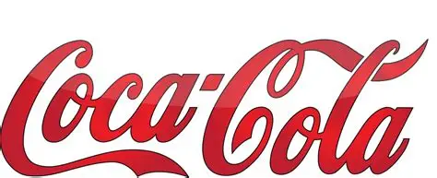
Coca-Cola USA Dashboard
Figures in USD
Contact

Total Sales
Units Sold
24.788.610
Average Unit Price
$0,45
Total Operating Profit
$12.016.665
$4.722.497

 |  |  |  |  |  |  |  | City | All
Sales by Beverage Brand |  |  |  | Sales by Beverage Brand
Brand | Sales 2022 | Sales 2023 | Sales Variation | Retailer | Sales 2022 | Sales 2023 | Sales Variation
Coca-Cola | $499,102 | $2,268,975 | 355% | Amazon | $276,210 | $1,009,699 | 266%
Dasani Water | $469,271 | $1,917,828 | 309% | BevCo | $466,788 | $2,327,607 | 399%
Diet Coke | $423,759 | $1,633,959 | 286% | FizzyCo | $161,210 | $2,262,827 | 1304%
Fanta | $315,489 | $1,116,063 | 254% | Target | $9,250 | $1,341,995 | 14408%
Powerade | $349,534 | $1,302,529 | 273% | Walmart | $339,913 | $580,211 | 71%
Sprite | $366,578 | $1,353,578 | 269% | West Soda | $1,170,362 | $2,070,594 | 77%
Total | $2,423,733 | $9,592,932 | 296% | Total | $2,423,733 | $9,592,932 | 296%

Sales and Operating Profit Margin by Quarters
Sales and Operating Profit Margin by Quarters
 |  |  |  |  |  |  |  | State | All

 | Total Sales | Average Operating Margin
Q1 | $692,776 | 40.17%
Q2 | $644,204 | 40.00%
Q3 | $719,170 | 41.03%
Q4 | $367,582 | 40.24%
Q1 | $1,877,584 | 41.66%
Q2 | $2,379,425 | 42.76%
Q3 | $2,805,753 | 43.47%
Q4 | $2,530,171 | 42.48%
 | Units Sold | Min Price per Unit | Max Price per Unit
Coca-Cola | 5,933,200 | $0.07 | $0.95
Dasani Water | 4,338,270 | $0.14 | $1.10
Diet Coke | 4,355,260 | $0.11 | $0.95
Fanta | 3,172,360 | $0.07 | $0.90
Powerade | 3,066,830 | $0.16 | $0.95
Sprite | 3,922,690 | $0.07 | $0.95

